საერთო
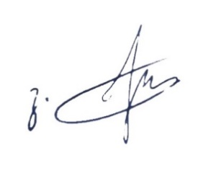
საერთო ხარჯთაღრიცხვა

# | სახარჯთარრიცხვო გაანგარიშება | samuSaoebis da danaxarjebis dasaxeleba | samSeneblo samuSaoebi
1 | 2 | 3 | 4
1 | lok.x.#2-1 | q. Tbilisi. vazisubnis dasaxleba, VII korp. | -
2 | lok.x.#2-2 | q. Tbilisi. kaxeTis xevi #5
3 | lok.x.#2-3 | q. Tbilisi. wulukiZis III Sesaxvevi korp. #2
4 | lok.x.#2-4 | q. Tbilisi. samgoris dasaxleba, korpusi #32-is mimdebared
5 | lok.x.#2-5 | q. Tbilisi.Mmelaanis I Sesaxvevi, korpusi #11-is mimdebared
 |  | jami
 |  | gauTvaliswinebeli xarjebi 3% არ იცვლება
 |  | jami
 |  | dRg 18%
 |  | sul

