TV
krebsiTi saxarjTaRricxvo gaangariSeba

dedofliswyaros municipalitetis sofel arxiloskalos centrSi arsebuli avariuli kulturis saxlis demontaJi da misi mimdebare teritoriis keTilmowyoba

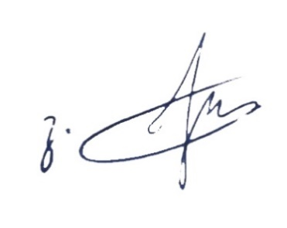

 | xarjTaRmricxveli: |  |  | g. nanobaSvili

 |  |  | Tbilisi 2019 weli

4

5

6

 |  | VI iatakebi

